Bug Report
Sr No. | Defect Id | Project Name | Defect Description | Test Case Id | Severity | Priority | Enverionment | Steps To Reproduce | Expected Result | Actual Result | Attachments | Reported By | Assigned To | Date | Status
1 | DEF001 | StackDemo | Incorrect error message displayed for invalid login | TC002 | Major | High | Browser: Chrome 116.0 OS: Windows 11 Device: Desktop URL: https://bstackdemo.com/signin?orders=true | 1. Open login page. 2. Enter invalid Username . 3. Enter invalid User password. 4. Click on "Login Button". | Error message should be displayed ("Invalid Username or Password "). | Error message ("Invalid Username") was Displayed. | 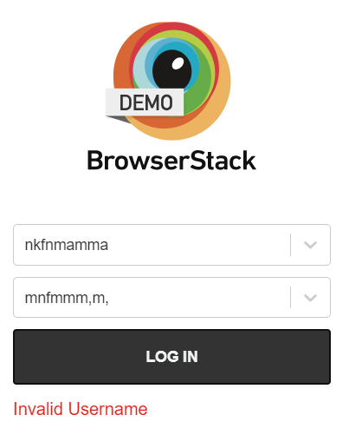 | Ritesh Thakur | XYZ | 2024-09-08 | Open
2 | DEF002 | StackDemo | When attempting to log in with empty fields, the error message displayed is incorrect. | TC003 | Major | High | Browser: Chrome 116.0 OS: Windows 11 Device: Desktop URL: https://bstackdemo.com/signin?orders=true | 1. Open Login Page. 2. Leave User Name and User Password Fields Empty. 3. Click On Login Button | Error message should be displayed ("Please fill in all fields"). | Error message "Invalid User Name " was Displayed. | 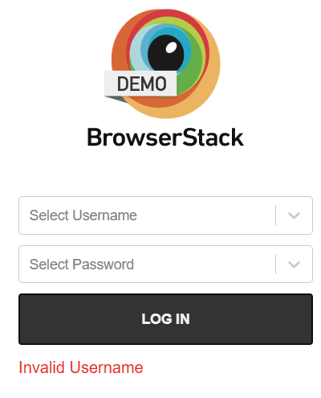 | Ritesh Thakur | XYZ | 2024-09-08 | Open
3 | DEF003 | StackDemo | Incorrect error message displayed for invalid credentials | TC006 | Major | High | Browser: Chrome 116.0 OS: Windows 11 Device: Desktop URL: https://bstackdemo.com/signin?orders=true | 1. Open the Login Page. 2. Enter Invalid Username. 3. Enter Invalid Password. 4. Click On Login Button. | Error message Should be displayed (" Invalid Username or User Password "). | Error message ("Invalid Username") was Displayed. | 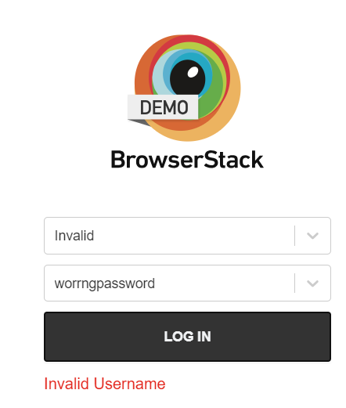 | Ritesh Thakur | XYZ | 2024-09-09 | Open
4 | DEF004 | StackDemo | User was not logged out after a period of inactivity, despite the expected behavior being automatic logout. | TC007 | Major | High | Browser: Chrome 116.0 OS: Windows 11 Device: Desktop URL: https://bstackdemo.com/signin?orders=true | 1. Open the Login Page . 2. Login in with valid credentials. 3. Leave the session idle for the specified time. 4. Try accessing restricted pages. | User should be logged out and prompted to log in again | User was not logged out after inactivity. | 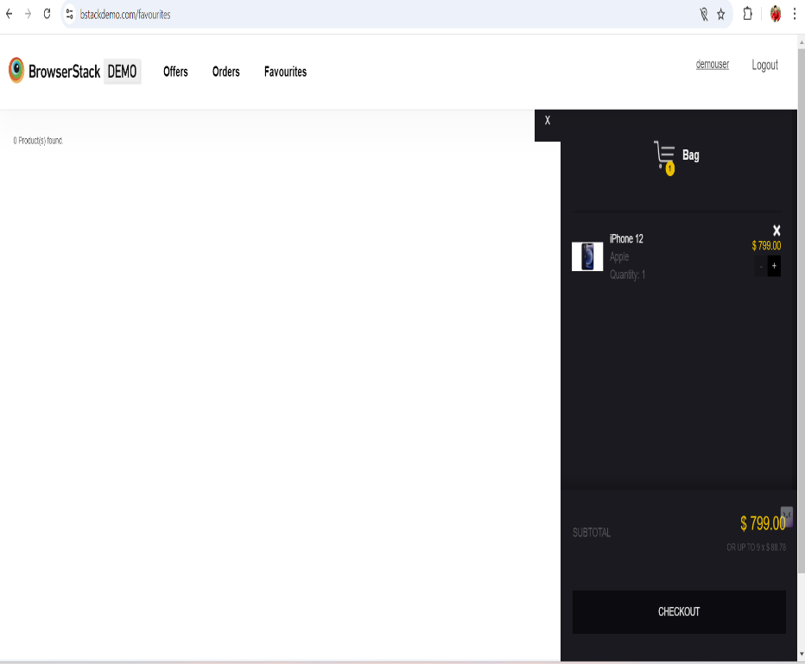 | Ritesh Thakur | XYZ | 2024-09-10 | Open
5 | DEF005 | StackDemo | The expected error message is "Account is locked after several failed attempts," but the actual error message displayed is "Invalid Username." | TC008 | Major | High | Browser: Chrome 116.0 OS: Windows 11 Device: Desktop URL: https://bstackdemo.com/signin?orders=true | 1. Open the login page. 2. Enter invalid credentials multiple times. 3. Observe system behavior. | Error message Account is locked after several failed attempt | Error message ("Invalid Username") was Displayed. | 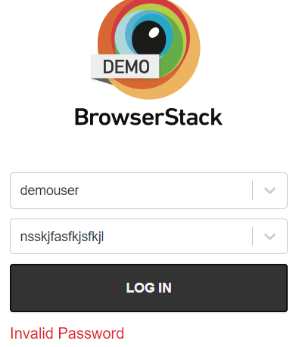 | Ritesh Thakur | XYZ | 2024-09-10 | Open
6 | DEF006 | StackDemo | The password field should mask the characters entered (e.g., using asterisks * or dots ●), but currently, the characters are visible as plain text when typing. | TC009 | Major | Low | Browser: Chrome 116.0 OS: Windows 11 Device: Desktop URL: https://bstackdemo.com/signin?orders=true | 1. Open login page. 2. Enter a password in the password field. 3. Verify that characters are masked | Password characters should be masked. | Password characters are not masked. | 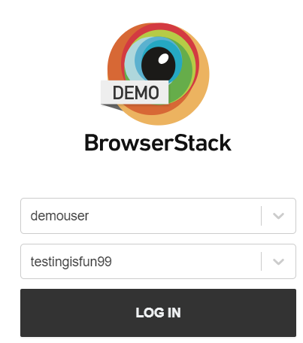 | Ritesh Thakur | XYZ | 2024-09-10 | Open

